Economist Graphic - The Good Ch
 |  | Your name | Paige Kassalen

 |  | For this graphic, what do you see first? | The first few things I see are: Left-click, Jeremy Corbyn has 5,210 of something, there is a break symbol in Jeremy Corbyn's bar

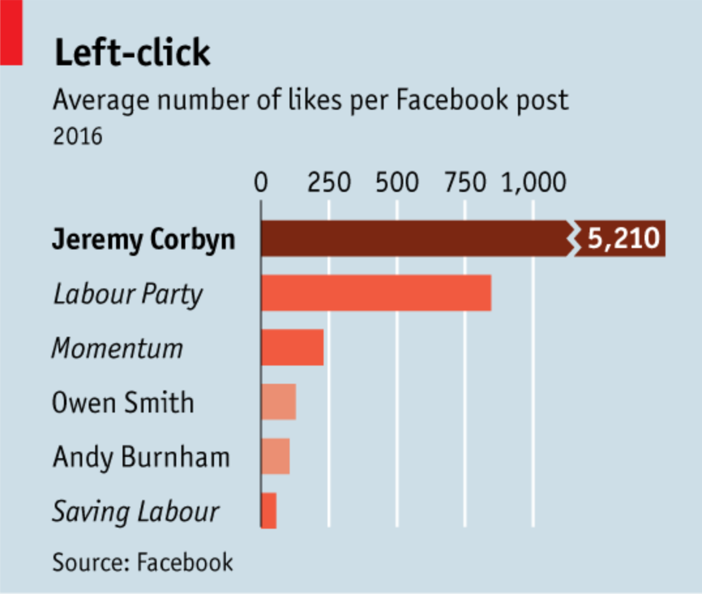 |  | Make a note of the first idea that forms in your mind and then search for more. | The chart is trying to tell me that Jeremy Corbyn has more facebook likes on his post than anyone else, by a lot! The chart does not fully convey this message because of the break. When you look at the chart for the first time, you see that he has more than everyone else, but until you see that he has 5,210 on average and estimate that the Labour Party only has 800, you do not see the magnitude of the change in likes. When I look deeper into the chart, I also think it's difficult to compare the likes of groups vs. people when putting together a story. A group typically has a larger audience to pull from than an individual person. The Y axis has multiple variables that change the story. If the chart only had Jeremy Corbyn, Owen Smith, and Andy Burnham the story is that Jeremy has many more likes than other influencers. Right now, the story is that, on average, compared to other similar focused people and groups, he has more likes. Left-click was one of the first things I noticed, but that was not mentioned in the article, so the title doesn't really provide me any information on the purpose of this chart.

 | Article: https://www.economist.com/britain/2016/08/13/the-metamorphosis

 | What I like | What I dislike | What I wish I saw
 | I like the contrast of the blue and the salmon color. The words are big enough to read and the graph is very simple making it easy to understand what is going on within seconds. | I don't like the break in Jeremy Corbyn's bar because it is hard to immediately understand the magnitude. I also don't like that they put Jeremy's likes but not anyone else's. I didn't notice this until just now, but I don't understand the color scheme. When I initially looked at it, I thought it was an ombre color scheme, but now I see the organizations have one color, the people have another color, and Jeremy has his own color. I don't think it color scheme helps me understand anything better. | I wish that I knew the significance of the chart and has a description explaining the conclusion monitoring facebook votes meant for the story. In the article, they say that Jeremy has more votes than anyone, but was it necessary to show a chart what that point explains itself? I also wish I could understand a little more about the social media activity of the different organizations and people. For example, this chart makes it look like Jeremy has way more likes than Andy, but does Andy potentially not have an activity facebook presence but is really influential on twitter.

 | What are three things you'd change, and why?
 | I would change... | because....
 | I would include information on how many posts each person / organization made | it gives the reader transparency on activity level and to understand if the data is representative of the actual situation.
 | I would change all of the other bars to gray and have Jeremy's bar (without breaks) in a color. | This could eliminate any confusion with colors and simplify the diagram and also show the magnitude of Jeremy's likes.
 | I would remove the grid lines and write out everyone's number of likes | This would allow the reader to quickly see the change in likes instead of having them calculate it with the axis. We could also then remove the axis for simplification.

References: | Berinato, S. (2016). Good charts: The HBR guide to making smarter, more persuasive data visualizations.
 | “The Metamorphosis.” The Economist, August 13, 2016. https://www.economist.com/britain/2016/08/13/the-metamorphosis.

The Good Charts Matrix
Name of visualization | Design execution (-10 is poor, 10 is excellent) | Contextual awareness (-10 is low, 10 is high)
Economist | 4 | 0

Contextual awareness = what am I trying to say, to whom, and where?
Design execution = How well is this chart constructed? |  |  | I decided to say their design execution was ranked a 4. I chose this because there were some style changes I would make, but overall, I knew what the chart was trying to say in seconds. I did not give it a 10 though because the chart did not convey the significance to me because it is only one social media channel and Jeremy is being compared to people and organizations. For contextual awareness, I ranked it a 0 because the chart did not add much more value than the sentence "Jeremy has more facebook likes than even the labor party. I think a description would have added value and helped me understand the context of the graphic better.

The Good Charts Matrix

Reference: Berinato, S. (2016). Good charts: The HBR guide to making smarter, more persuasive data visualizations.

